SCRIPT
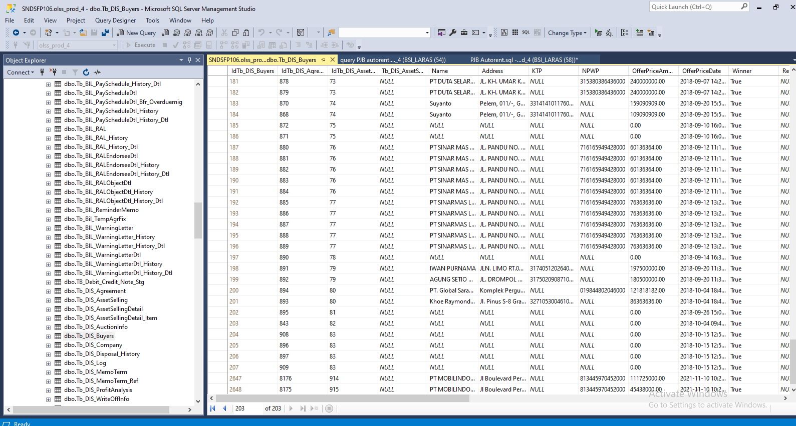
update tb_dis_agreement set assetcode = '4120034014', EngineNumber = 'MD61387', BookValue = '27625000', ProductPrice = '60000000' where IdTb_DIS_Agreement = 8175

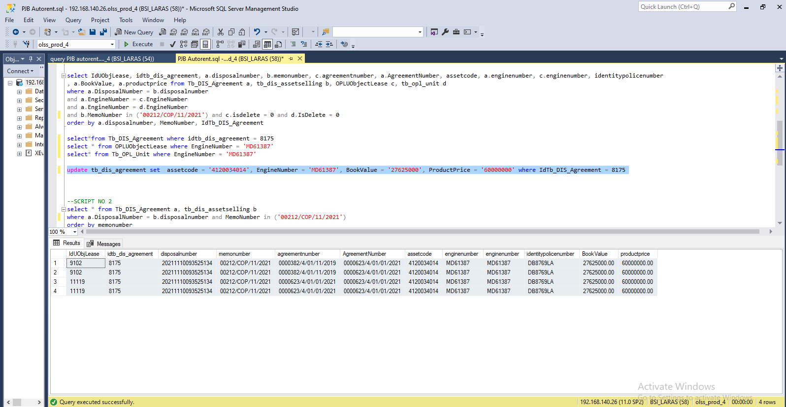

insert TB_DIS_BUYERS

